1. Title Page
Grocery Basket Analysis

Project Name: Instacart Grocery Basket Analysis
Date: August 9, 2025
Analyst Name: Evan Greenwood
Data Source: Instacart Open Source Data

Contents:
Population Flow
Consistency checks
Wrangling steps
Column derivations
Visualizations
Recommendations

Citation: “The Instacart Online Grocery Shopping Dataset 2017”, Accessed from www.instacart.com/datasets/grocery-shopping-2017 via Kaggle on 8/9/25.
 | CareerFoundry Data set: Customers Data Set

Note:
Instacart is a real company that has made their data available online. However, the contents of this project brief have been fabricated for the purpose of this assignment.

2. Population Flow
Title page

Population flow

Exclusion flag
Condition: max_order < 5
Obervations to be removed: 29,630
Final total count of order_products_all: 32,433,030

Orders_products_combined
Orders_products_merged
Orders_products_all

Total: 32,404,859
Total: 32,434,489
Total: 32,404,859

1.) The grey boxes in the first row of the population flow represent the original data sets as they were when you downloaded them. In the Total fields you need to add the count of the rows when you imported the data set into Jupyter.
2.) The second row of boxes (coloured) represents the data sets after you manipulated them, e.g., removed missing values and duplicates. In the Total fields you need to add the count of the rows after conducting these operations. This offers a visual oveview of how the data flows throughout the data consistency checks.
3.) The third row, where also the arrows are coloured, represents the merges you performed between the datasets. In the Total fields you need to add the count of the rows in the merged datasets, so that you end up with the final dataset (in the red box). Keep in mind the final dataset should be without exclusions (based on the exclusion flag).

3. Consistency checks
 |  |  |  | Title page
Consistency checks

Dataset | Missing values | Missing values treatment | Duplicates
orders | 206,209 | Unecessary to do anything because the missing values are from days_since_prior_order on the first order when no previous order existed | 0
products | 16 | Missing product name. Deleted the rows with missing values | 5
orders_products_prior | 0 | N/A | 54,219
customers | 0 | N/A | 0

4. Wrangling steps
 |  |  |  | Title page
Wrangling steps

Columns dropped | Columns renamed | Columns' type changed | Comment/Reason
Unnamed: 0 |  |  | unnecessary column
Unnamed: 0_x |  |  | unnecessary column
eval_set |  |  | unnecessary column
Unnamed: 0_y |  |  | unnecessary column
 | order_dow to orders_day_of_week |  | clarity and consistency
 | number of Dependents to Dependents |  | clarity and consistency
 |  | user_id | Converted to string to avoid numeric formating
First Name |  |  | PII concerns
Last Name |  |  | PII concerns

5. Column derivations
 |  |  |  | Title page

Column derivations and aggregations

In this tab you should add tables below that the frequences of flags/label variables that you produced after deriving them. NB: don't do this for continuous variables, only for flags.
Dataset | New column | Column/s it was derived from | Conditions
ords_prods_merge | price_range_loc | prices | ≤ 5: 'Low range'; 5–15: 'Mid range'; >15: 'High range' based on unit price of each product to categorize affordability levels.
ords_prods_merge | busiest_day | order_dow | Day with highest number of orders labeled 'Busiest day'; others = 'Not busiest day' determined by counting total orders per weekday.
ords_prods_merge | busiest_days | order_dow | Top 2 weekdays by order volume = 'Busiest days'; bottom 2 = 'Slowest days'; others = 'Regular' categorizes weekly demand pattern.
ords_prods_merge | busiest_period_of_day | order_hour_of_day | order_hour_of_day mapped to: Most (hours 10–15), Average (8–9 & 16–18), Fewest (others) reflects hourly ordering trends.
ords_prods_merge_variables | loyalty_flag | max_order | Based on max_order: >40 = 'Loyal', 10–40 = 'Regular', ≤10 = 'New' categorizes customer retention level.
ords_prods_merge_variables | spender_flag | Mean of prices per user | Based on mean product price per user: <10 = 'Low spender', ≥10 = 'High spender' measures typical spending behavior.
ords_prods_merge_variables | order_freq_flag | Median of days_since_prior_order | Based on median of days_since_prior_order: >20 = 'Non-frequent', 10–20 = 'Regular', <10 = 'Frequent' segments customers by order regularity.

Loyalty_flag | Count
Regular | 482,391
Loyal | 322,011
New | 195,598

spending_flag | Count
Low spender | 978,614
High spender | 21,386

order_freq_flag | Count
Frequent customer | 664,849
Regular customer | 219,649
Non-frequent customer | 115,502

price_range | Count
Mid-range product | 673,183
Low-range product | 314,392
High range | 12,425

busiest_day | Count
Regularly busy | 22,416,875
Busiest day | 6,204,182
Least busy | 3,783,802

6. Visualizations
 |  |  | Title page

Visualisations

In this tab you should include all the visualtions from Exercises 4.9 and 4.10, alongside the questions from the project brief that they answer. Include any commentary on the relationship between different variables.

Key Question
The sales team needs to know what the busiest days of the week and hours of the day are (i.e., the days and times with the most orders) in order to schedule ads at times when there are fewer orders.
Comments
- The majority of orders are placed between 10 AM and 3 PM. There are very few orders during the early morning hours, from midnight to 5 AM. Order volume begins to increase after 5 AM, peaks between 10 AM and 3 PM, and then declines after 4 PM.
- The busiest days are Sunday and Saturday. The least busy days are Tuesday and Wednesday.

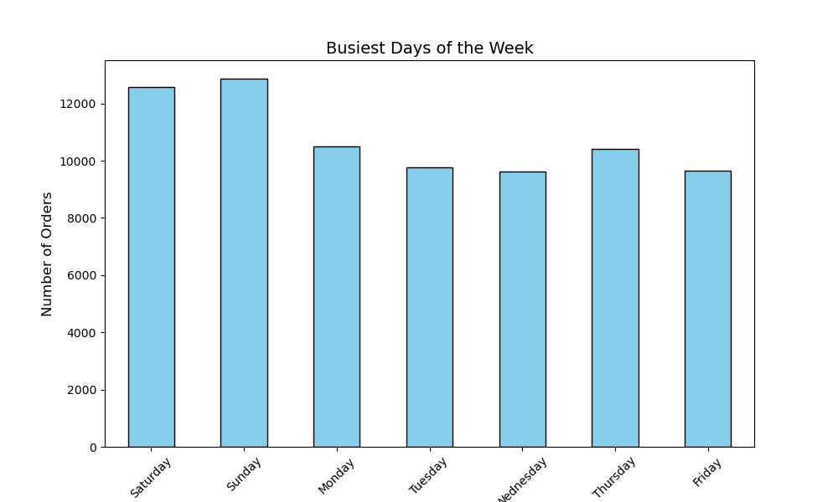

Hour of Day

 | Recommendation
 | It is recommended to run ads on Tuesday and Wednesday from ^ AM to 8 AM and 5 PM to 10 PM.

 | Key Question
 | They also want to know whether there are particular times of the day when people spend the most money, as this might inform the type of products they advertise at these times.
 | Comments
 | - Prices reach their highest levels around 7 PM and 5PM is the second highest.
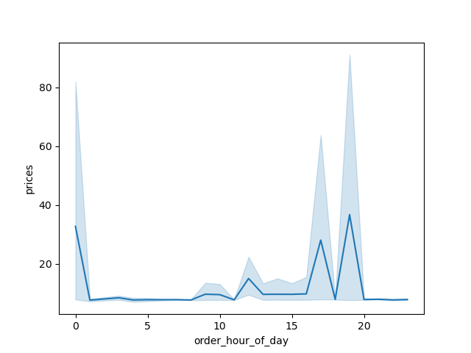

 | Recommendation
 | Advertising should be focused on 7 PM, 5 PM, and to a lesser extent 12 PM.

 | Key Question
 | Are there certain types of products that are more popular than others? The marketing and sales teams want to know which departments have the highest frequency of product orders
 | Comments
 | - Produce, dairy and eggs, and beverages are the top 3 performing products
 | - The West and South regions have the highest number of purchases.
 | - Products from the produce department have the highest sales compared to all other departments.

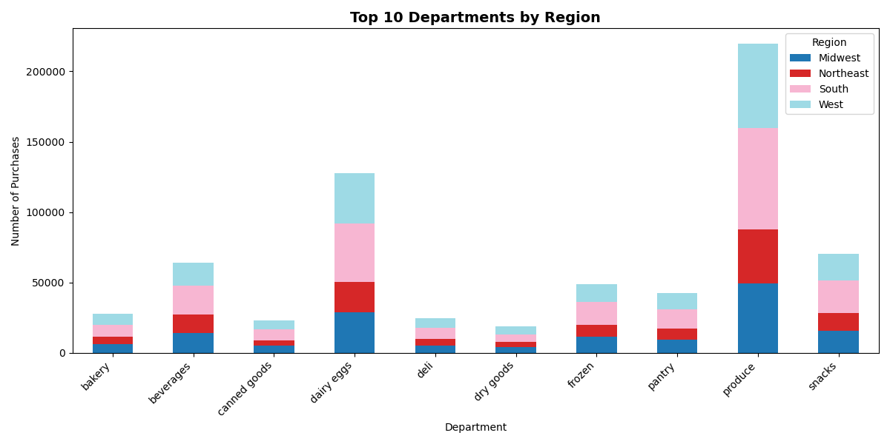

 | Recommendation
 | The West and Southern regions should make sure to keep a large stock of produce, dairy/eggs, beverages, and snacks to keep up with demand.

 | Key Question
 | What’s the distribution among users with regards to their brand loyalty (i.e., how often do they return to Instacart)?
 | Comments
 | - The regular customers make up the largest group.
 | - Loyal customers make up the second largest group, indicating a substantial base of engaged shoppers.
 | - New customers represent the smallest segment. This indicates that Instacart continues to attract a healthy number of new shoppers.


Count

Regular Customer
Loyal Customer
New Customer

 | Recommendation
 | Offer bonuses such as coupons or other discounts to regular customers to keep them coming back and potentially turn them into loyal customers.

 | Key Question
 | Are there differences in ordering habits based on a customer’s region?
 | Comments
 | - The graph below demonstrates that across all regions the majority of customers are low spenders, while high spenders are rare by far the smallest in every region.
 | - The South and West have the highest number of low spenders
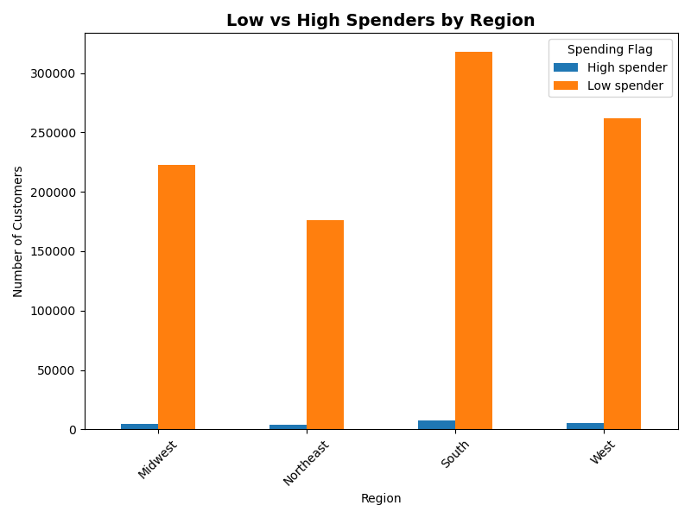

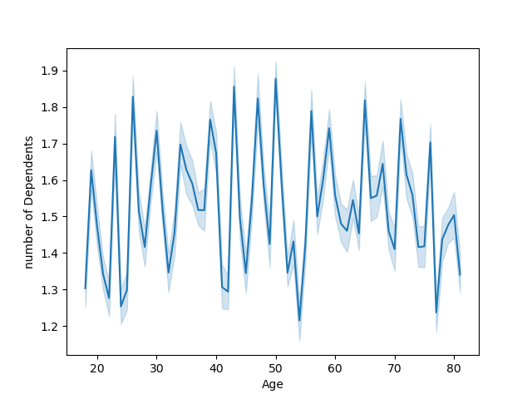

 | Recommendation
 | Focus on products that the low spenders buy consistantly.
 | Emphasize low prices in the marketing.

 | Key Question
 | What different classifications does the demographic information suggest? Age? Income? Certain types of goods? Family status?
 | Comments
 | - The under 35 age group has the largest number of customers overall.
 |  | - Most of which fall in the $60k-94K or under $60K income groups.
 | - The 35 to 50 age range is most evenly distributed between income groups.

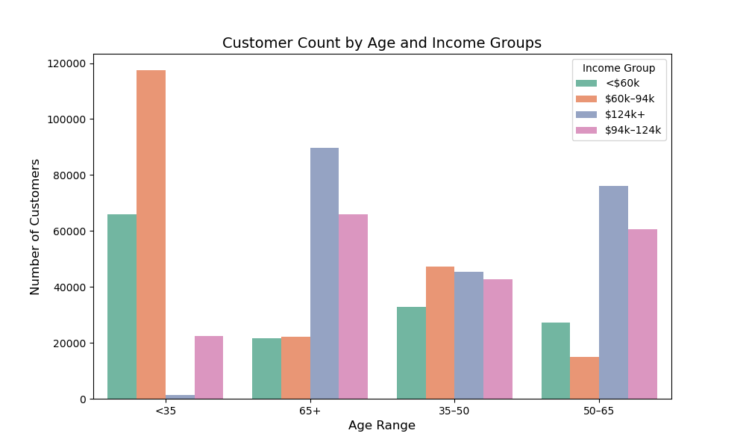

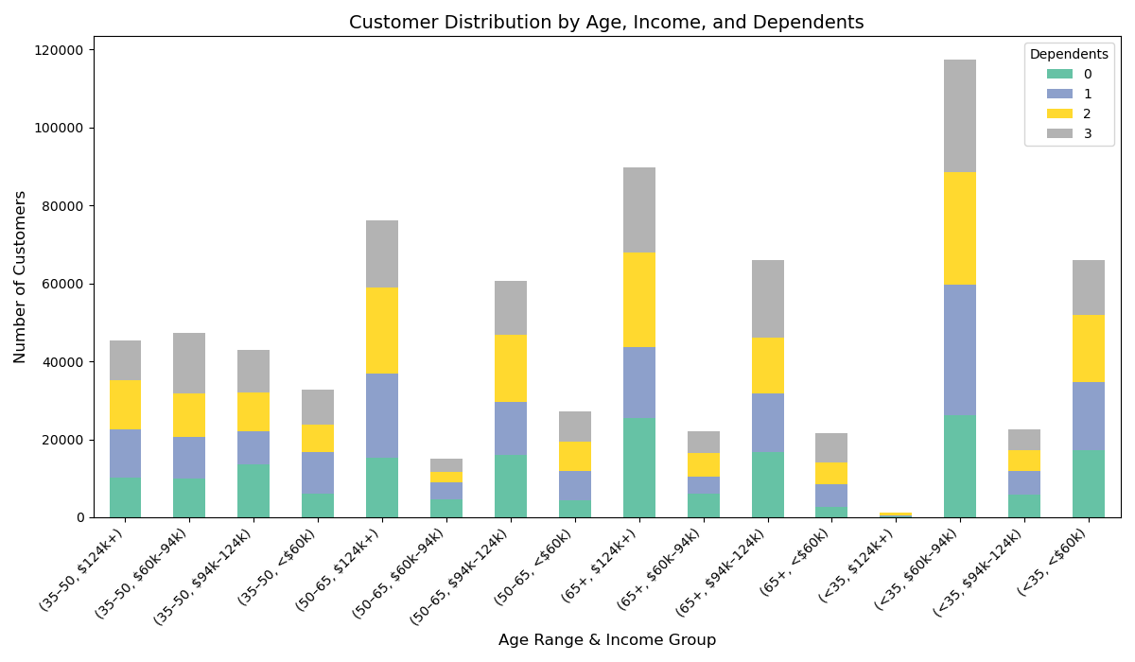

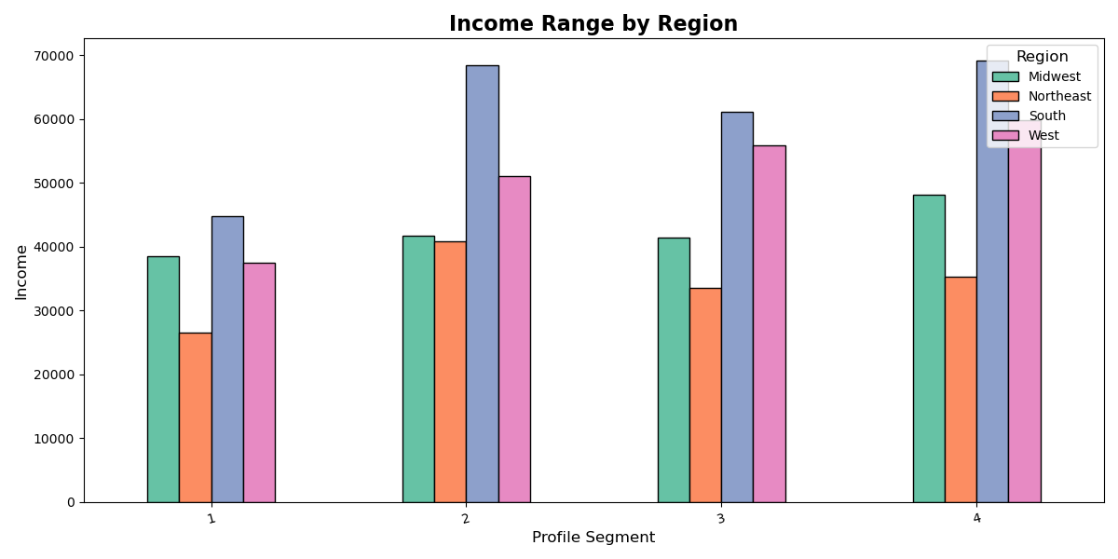
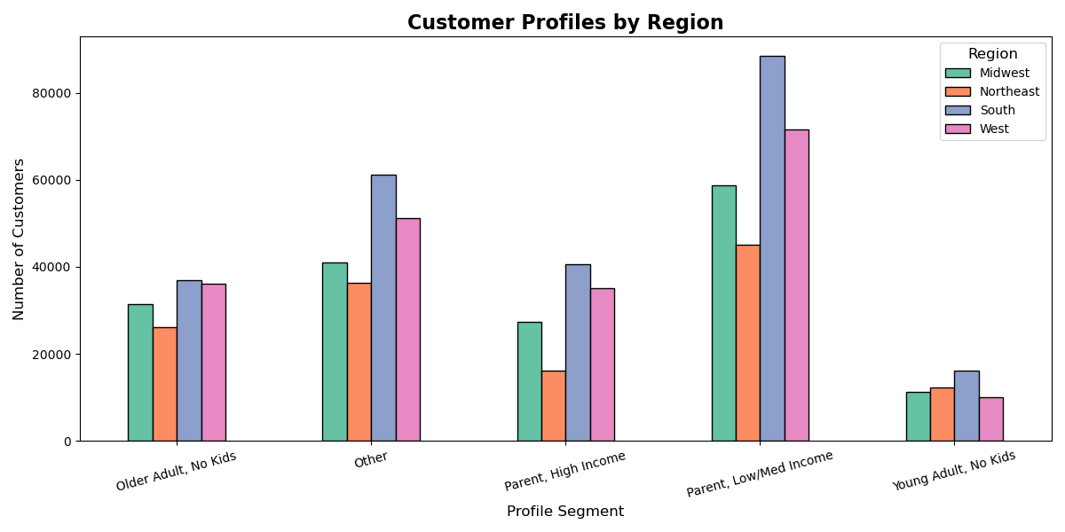

under 6K
6K - 94K
94K - 124K
over 124K

 | Recommendation
 | Market towards high income seniors in all regions.
 | Families may gravitate towards bulk deals. Especially in the South and West regions.

 | Key Question
 | Is there a connection between age and family status in terms of ordering habits?
 | Comments
 | - According to customer numbers by marital status, married customers place the highest number of orders, followed by single customers, with the Other category placing the fewest.
 | - There appears to be no clear correlation between a customer’s age and the number of dependents in their household.

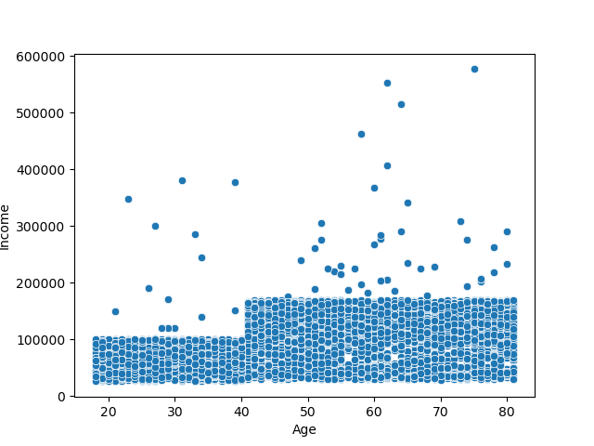
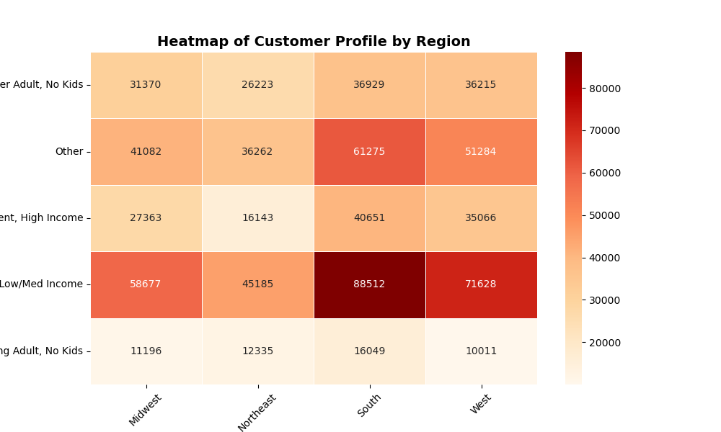

Older Adult, No Kids

Other

Parent, High Income

Parent, Low/Med Income

Young Adult, No Kids

 | Recommendation
 | Marketing should be focused on the main customer group of middle-aged adults.
 | Promoting products that are family sized could attract larger households.
 | Look more into the Other categegory to get more specific information.

7. Recommendations
 |  |  | Title page

Recommendations

In this tab you should include any recommendations you would made to Instcart in terms of their marketing strategy based on the questions posed in the brief. Every key question has been covered in the Tasks of the Exercises - here you need to add an item - a visualisation or table/crosstable that is showing the answer in the data, acompanied by a comment from you. Please, list the questions below and add the answer underneath.

Question | Answer | Combined with page 6
Key Question 1
Key Question 2
Key Question 3
Key Question 4
Key Question 5
Key Question 6
Key Question 7

